Calculations
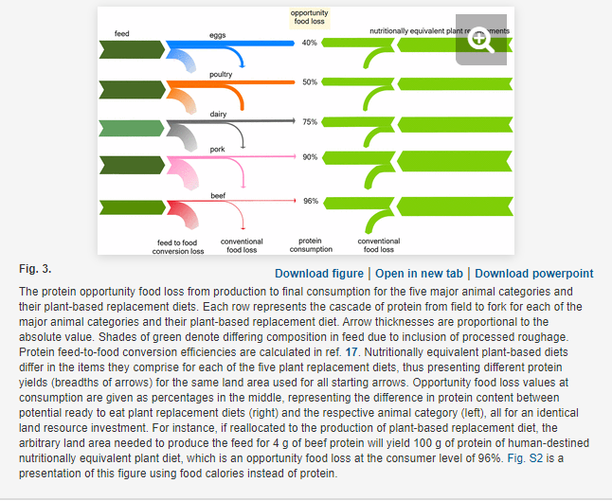
Product | Opportunity food loss (%) | Calculated ratio of plant-based protein output to animal protein output per land area | Pounds of animal products produced | Weighted average ratio
Eggs | 40 | 1.7 | 630875000 | 3.5004459149
Poultry | 50 | 2 | 4745831906
Dairy | 75 | 4 | 1,471,418,848
Pork | 90 | 10 | 68391000
Beef | 96 | 25 | 330155000

